Center_Information
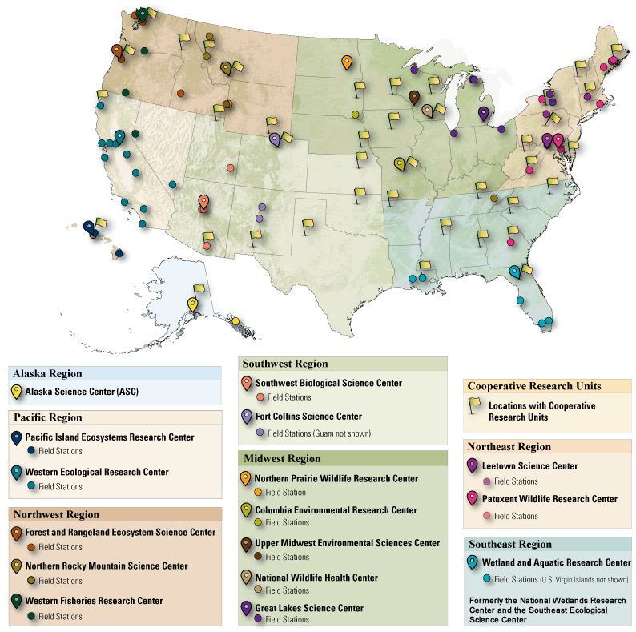
Center Abbreviation | Center Name | Center Director | Director email | Director phone number
ASC | Alaska Science Center | Christian E. Zimmerman | czimmerman@usgs.gov | (907) 786-7071
CERC | Columbia Environmental Research Center | Rip S. Shively | rsshively@usgs.gov | (573) 876-1900
FORT | Fort Collins Science Center | Sharon K Taylor | sktaylor@usgs.gov | 970-226-9100
FRESC | Forest and Rangeland Ecosystem Science Center | Ken Berg | kberg@usgs.gov | 541-750-1035
GLSC | Great Lakes Science Center | Russell M. Strach | rstrach@usgs.gov | 734-214-7200
LSC | Leetown Science Center | Thomas O'Connell | toconnell@usgs.gov | 304-724-4401
NOROCK | Northern Rocky Mountain Science Center | Claudia Regan | cregan@usgs.gov | 406-994-7972
NPWRC | Northern Prairie Wildlife Research Center | Robert A. Gleason | rgleason@usgs.gov | 701-253-5546
NWHC | National Wildlife Health Center | Jonathan Sleeman | jsleeman@usgs.gov | 608-270-2401
PIERC | Pacific Islands Ecosystems Research Center | Gordon Tribble | gtribble@usgs.gov | 808-985-6457
PWRC | Patuxent Wildlife Research Center | John B. French | jbfrench@usgs.gov | (301) 497-5502
SBSC | Southwest Biological Science Center | David Lytle | dlytle@usgs.gov | 928-556-7094
UMESC | Upper Midwest Environmental Sciences Center | Mark Gaikowski | mgaikowski@usgs.gov | 608-781-6221
WARC | Wetland and Aquatic Research Center | Kenneth G. Rice | krice@usgs.gov | 337-266-8802
WERC | Western Ecological Research Center | A. Keith Miles | keith_miles@usgs.gov | 916-278-9572
WFRC | Western Fisheries Science Center | Jill Rolland | jrolland@usgs.gov | 206-526-6291
CRU | Cooperative Research Unit | Barry Grand, Unit Supervisor - South | barry_grand@usgs.gov | 344-844-4796
CRU | Cooperative Research Unit | Mike Tome, Unit Supervisor - Northeast and Midwest | mtome@usgs.gov | 304-724-4411
CRU | Cooperative Research Unit | Kevin Whalen, Unit Supervisor - West | kwhalen@usgs.gov | 703-269-7711
CRU | Cooperative Research Unit | John F. Organ - Chief | jorgan@usgs.gov | 703-648-4261
NCCWSC & CSCs | Climate Science Centers & National Climate Change and Wildlife Science Center | Janet Cushing | jcushing@usgs.gov | 703-648-4015

Map of Centers: | https://www2.usgs.gov/ecosystems/map.html

Fig - National
National Results 158 Previous or Current 318 Capacities
 | Previous, Current - Yes | Previous, Current - No | Relevant Capacity - Yes | Relevant Capacity - No
 | 15 | 16
Amphibians |  |  | 31 | 0
 | 18 | 0
Birds |  |  | 17 | 1
 | 27 | 6
Bivalves |  |  | 33 | 0
 | 17 | 26
Crustaceans |  |  | 32 | 11
 | 26 | 16
Fishes |  |  | 42 | 0
 | 6 | 46
Flowering Plants |  |  | 29 | 23
 | 29 | 22
Insects |  |  | 46 | 5
 | 8 | 3
Mammals |  |  | 11 | 0
 | 0 | 3
Non-Flowering Plants |  |  | 0 | 3
 | 12 | 11
Reptiles |  |  | 21 | 2
 | 0 | 56
Snails |  |  | 56 | 0

Fig - Region 1
Region 1 Results 11 Previous or Current 19 Capacities 21 Total Species
 | Previous, Current - Yes | Previous, Current - No | Relevant Capacity - Yes | Relevant Capacity - No
 | 4 | 0
Amphibians |  |  | 4 | 0
 | 4 | 0
Birds |  |  | 3 | 1
 | 0 | 0
Bivalves |  |  | 0 | 0
 | 0 | 0
Crustaceans |  |  | 0 | 0
 | 0 | 0
Fishes |  |  | 0 | 0
 | 0 | 2
Flowering Plants |  |  | 1 | 1
 | 2 | 1
Insects |  |  | 3 | 0
 | 1 | 0
Mammals |  |  | 1 | 0
 | 0 | 0
Non-flowering Plants |  |  | 0 | 0
 | 0 | 0
Reptiles |  |  | 0 | 0
 | 0 | 7
Snails |  |  | 7 | 0

Fig - Region 2
Region 2 Results 23 Previous or Current 53 Capacities 66 Total Species
 | Previous, Current - Yes | Previous, Current - No | Relevant Capacity - Yes | Relevant Capacity - No
 | 0 | 6
Amphibians |  |  | 6 | 0
 | 2 | 0
Birds |  |  | 2 | 0
 | 10 | 2
Bivalves |  |  | 12 | 0
 | 3 | 1
Crustaceans |  |  | 3 | 1
 | 3 | 4
Fishes |  |  | 7 | 0
 | 2 | 14
Flowering Plants |  |  | 6 | 10
 | 0 | 6
Insects |  |  | 5 | 1
 | 2 | 0
Mammals |  |  | 2 | 0
 | 0 | 1
Non-flowering Plants |  |  | 0 | 1
 | 1 | 4
Reptiles |  |  | 5 | 0
 | 0 | 5
Snails |  |  | 5 | 0

Fig - Region 3
Region 3 Results 15 Previous or Current 17 Capacities 18 Total Species
 | Previous, Current - Yes | Previous, Current - No | Relevant Capacity - Yes | Relevant Capacity - No
 | 0 | 6
Amphibians |  |  | 2 | 0
 | 2 | 0
Birds |  |  | 1 | 0
 | 10 | 2
Bivalves |  |  | 2 | 0
 | 3 | 1
Crustaceans |  |  | 4 | 0
 | 3 | 4
Fishes |  |  | 1 | 0
 | 2 | 14
Flowering Plants |  |  | 1 | 0
 | 0 | 6
Insects |  |  | 1 | 1
 | 2 | 0
Mammals |  |  | 3 | 0
 | 0 | 1
Non-flowering Plants |  |  | 0 | 0
 | 1 | 4
Reptiles |  |  | 2 | 0
 | 0 | 5
Snails |  |  | 0 | 0

Fig - Region 4
Region 4 Results 48 Previous or Current 92 Capacities 111 Total Species
 | Previous, Current - Yes | Previous, Current - No | Relevant Capacity - Yes | Relevant Capacity - No
 | 4 | 3
Amphibians |  |  | 7 | 0
 | 4 | 0
Birds |  |  | 4 | 0
 | 13 | 4
Bivalves |  |  | 17 | 0
 | 4 | 21
Crustaceans |  |  | 15 | 10
 | 17 | 6
Fishes |  |  | 23 | 0
 | 1 | 15
Flowering Plants |  |  | 11 | 5
 | 0 | 3
Insects |  |  | 3 | 0
 | 0 | 0
Mammals |  |  | 0 | 0
 | 0 | 2
Non-flowering Plants |  |  | 0 | 2
 | 5 | 5
Reptiles |  |  | 8 | 2
 | 0 | 4
Snails |  |  | 4 | 0

Fig - Region 5
Region 5 Results 41 Previous or Current 54 Capacities 55 Total Species
 | Previous, Current - Yes | Previous, Current - No | Relevant Capacity - Yes | Relevant Capacity - No
 | 1 | 1
Amphibians |  |  | 2 | 0
 | 2 | 0
Birds |  |  | 2 | 0
 | 2 | 0
Bivalves |  |  | 2 | 0
 | 6 | 4
Crustaceans |  |  | 10 | 0
 | 4 | 3
Fishes |  |  | 7 | 0
 | 0 | 2
Flowering Plants |  |  | 2 | 0
 | 23 | 3
Insects |  |  | 25 | 1
 | 0 | 0
Mammals |  |  | 0 | 0
 | 0 | 0
Non-flowering Plants |  |  | 0 | 0
 | 3 | 0
Reptiles |  |  | 3 | 0
 | 0 | 1
Snails |  |  | 1 | 0

Fig - Region 6
Region 6 Results 11 Previous or Current 23 Capacities 30 Total Species
 | Previous, Current - Yes | Previous, Current - No | Relevant Capacity - Yes | Relevant Capacity - No
 | 1 | 0
Amphibians |  |  | 1 | 0
 | 2 | 0
Birds |  |  | 2 | 0
 | 0 | 0
Bivalves |  |  | 0 | 0
 | 0 | 0
Crustaceans |  |  | 0 | 0
 | 1 | 0
Fishes |  |  | 1 | 0
 | 2 | 11
Flowering Plants |  |  | 7 | 6
 | 3 | 4
Insects |  |  | 6 | 1
 | 2 | 1
Mammals |  |  | 3 | 0
 | 0 | 0
Non-flowering Plants |  |  | 0 | 0
 | 0 | 0
Reptiles |  |  | 0 | 0
 | 0 | 3
Snails |  |  | 3 | 0

Fig - Region 7
Region 7 Results 1 Previous or Current 1 Capacities 2 Total Species
 | Previous, Current - Yes | Previous, Current - No | Relevant Capacity - Yes | Relevant Capacity - No
 | 0 | 0
Amphibians |  |  | 0 | 0
 | 0 | 0
Birds |  |  | 0 | 0
 | 0 | 0
Bivalves |  |  | 0 | 0
 | 0 | 0
Crustaceans |  |  | 0 | 0
 | 0 | 0
Fishes |  |  | 0 | 0
 | 0 | 1
Flowering Plants |  |  | 0 | 1
 | 0 | 0
Insects |  |  | 0 | 0
 | 1 | 0
Mammals |  |  | 1 | 0
 | 0 | 0
Non-flowering Plants |  |  | 0 | 0
 | 0 | 0
Reptiles |  |  | 0 | 0
 | 0 | 0
Snails |  |  | 0 | 0

Fig - Region 8
Region 8 Results 8 Previous or Current 59 Capacities 60 Total Species
 | Previous, Current - Yes | Previous, Current - No | Relevant Capacity - Yes | Relevant Capacity - No
 | 3 | 6
Amphibians |  |  | 9 | 0
 | 3 | 0
Birds |  |  | 3 | 0
 | 0 | 0
Bivalves |  |  | 0 | 0
 | 0 | 0
Crustaceans |  |  | 0 | 0
 | 0 | 3
Fishes |  |  | 3 | 0
 | 1 | 0
Flowering Plants |  |  | 1 | 0
 | 0 | 4
Insects |  |  | 3 | 1
 | 0 | 1
Mammals |  |  | 1 | 0
 | 0 | 0
Non-flowering Plants |  |  | 0 | 0
 | 1 | 2
Reptiles |  |  | 3 | 0
 | 0 | 36
Snails |  |  | 36 | 0

